Main
Yearly PPI Values For Agricultural Products (1986-2016)
Year | Crude Oil Average Price | Crude Percentage Difference | Crude Oil STDEV | Crude Oil VARIANCE | Refined Oil Average Price | Refined Oil Percent Difference | Refined STDEV | Refined Variance | Fruits and Vegetables CPI | Meats CPI | Dairy CPI | Cereals and Bakery CPI | Other Foods CPI | Beef and Veal CPI | Eggs CPI | Fats and Oils CPI | Fish and Seafood CPI | Fresh Fruit CPI | Fresh Fruits and Vegetables CPI | Fresh Vegetables CPI | Meats Poultry and Fish CPI | Nonalcoholic Beverages CPI | Other Meats CPI | Pork CPI | Poultry CPI | Sugar and Sweets CPI | Crude foodstuffs and feedstuffs PPI | Farm Level Cattle PPI | Farm Level Eggs PPI | Farm Level Fruit PPI | Farm Level Milk PPI | Farm Level Soybeans PPI | Farm Level Vegetables PPI | Farm Level Wheat PPI | Finished Consumer Foods PPI | Intermediate Foods and Feeds PPI | Wholesale Beef PPI | Wholesale Dairy PPI | Wholesale Fats and Oils PPI | Wholesale Pork PPI | Wholesale Poulty PPI | Wholesale Wheat Flour PPI
1986 | 15.047689243 |  | 3.0001107946 | 9.0006647799 | 0.40243197279 |  | 0.03520397992 | 0.0012393202022 | 0.9 | 3.1 | 0.1 | 2.8 | 2.6 | 0.6 | 6.8 | -2.2 | 9.2 | 2.1 | 3 | 4.1 | 4.4 | 5.8 | 2.6 | 8.2 | 7.5 | 3 | -1.7 | -2.1 | 4.1 | 4.4 | -2.9 | -8.3 | -1.7 | -12.9 | 2.6 | -1.1 | -2.4 | -0.3 | -23.1 | 12.1 | 5.8 | -5.2
1987 | 19.200511811 | 27.597742756 | 1.2450013969 | 1.5500284782 | 0.51065019763 | 26.891060392 | 0.033923626294 | 0.0011508124209 | 8.9 | 7.5 | 2.5 | 3.5 | 4.2 | 7.6 | -5.9 | 1.5 | 10.6 | 11.2 | 12.2 | 12.9 | 6.5 | -2.6 | 6.3 | 8.2 | -1.4 | 1.8 | 3.2 | 15.1 | -12 | -0.8 | 1 | 2.2 | 6.1 | -4.6 | 2.1 | 3.1 | 8.4 | 1.7 | 1.5 | 5 | -11.4 | -1.8
1988 | 15.96540856 | -16.849046955 | 1.3665645843 | 1.867498763 | 0.48723705179 | -4.5849675462 | 0.039949689248 | 0.001595977671 | 7.6 | 2.4 | 2.4 | 6.4 | 3.7 | 5.5 | 2.3 | 4.6 | 5.8 | 8.3 | 7.3 | 6.3 | 3.5 | 0 | 2.6 | -3 | 7.2 | 2.7 | 10.3 | 6.5 | 1.1 | 1.3 | -2.7 | 41.3 | 1.6 | 28.7 | 2.8 | 10.4 | 6.2 | 0.6 | 19.7 | -9.4 | 7.8 | 13.8
1989 | 19.635486381 | 22.987684951 | 1.1576458135 | 1.3401438296 | 0.56387698413 | 15.729495951 | 0.070984745357 | 0.0050388340734 | 7.7 | 4 | 6.6 | 8.4 | 6.4 | 6.4 | 26.6 | 7.2 | 4.5 | 6.6 | 8.5 | 10.7 | 5 | 3.5 | 2.8 | 0.6 | 9.9 | 4.7 | 4.8 | 3.9 | 35 | -0.3 | 10.5 | -8.4 | 10.6 | 16.9 | 5.4 | 3.9 | 7.4 | 8.2 | -4.4 | 2.8 | 7.9 | 8.4
1990 | 24.526575875 | 24.909438957 | 6.6788747004 | 44.607367264 | 0.71961386139 | 27.618945558 | 0.14805341358 | 0.021919813273 | 8 | 10.1 | 9.4 | 5.7 | 4.5 | 8 | 4.7 | 4.2 | 2.2 | 12.1 | 9 | 5.6 | 7.3 | 2 | 9.3 | 14.7 | -0.2 | 4.4 | 1.7 | 7.6 | -1.7 | 4.3 | 2 | -11.8 | 1.2 | -20 | 4.8 | -0.4 | 6.5 | 6 | 6.5 | 22.6 | -5.6 | -9.6
1991 | 21.541367187 | -12.171322663 | 1.9344942628 | 3.7422680527 | 0.64915789474 | -9.790801766 | 0.056473185525 | 0.0031892206833 | 4.6 | 3.1 | -1.1 | 4.1 | 4.5 | 2.8 | -2.3 | 4.3 | 1.1 | 13.5 | 8.1 | 2.2 | 2.3 | 0.5 | 3.7 | 3.3 | -0.8 | 3.7 | -6.7 | -5.5 | -5.9 | 10 | -11.2 | -5.7 | -12.1 | -9.4 | -0.2 | -1.9 | -3.3 | -2.2 | -6.2 | -5.3 | -3.3 | -6.6
1992 | 20.575564202 | -4.4834804437 | 1.2971137418 | 1.6825040591 | 0.5826848249 | -10.239892386 | 0.044379617733 | 0.0019695504701 | -0.3 | -1.4 | 2.7 | 3.9 | 2.2 | -0.1 | -10.6 | -1.4 | 2.3 | -5 | -1.8 | 2.3 | -0.8 | 0.2 | 0.2 | -4.7 | -0.1 | 2.9 | -0.4 | -0.3 | -15 | -35.3 | 7.4 | 2.3 | 10.8 | 24.1 | -0.6 | -0.4 | -2.4 | 2.9 | -2.9 | -12.8 | -0.8 | 13.1
1993 | 18.4322 | -10.417037323 | 1.714062881 | 2.93801156 | 0.51203212851 | -12.125370933 | 0.06287837252 | 0.0039536897308 | 2.3 | 3 | 0.7 | 3.4 | 2.6 | 3.6 | 8.1 | 0.2 | 3.2 | 2.5 | 4.4 | 6.6 | 3.3 | 0.3 | 1.6 | 3.1 | 4.2 | 0.2 | 3.1 | 1.1 | 12.5 | 0.6 | -2.1 | 7.7 | 17.6 | -0.1 | 1.9 | 1.8 | 3.1 | 0.2 | 7.4 | 6.9 | 2.5 | -0.5
1994 | 17.196428571 | -6.7044163397 | 1.6889549997 | 2.8525689909 | 0.48520634921 | -5.2390812634 | 0.048717368804 | 0.0023733820232 | 3.8 | 0.6 | 1.8 | 4.1 | 2.6 | -0.8 | -2.4 | 2.7 | 4.5 | 6.6 | 4.5 | 2.3 | 1.5 | 7.5 | 2.4 | 1.7 | 3.4 | 1.3 | -1.8 | -9.3 | -7.6 | -2.1 | 1.7 | 1.1 | -4.6 | 6.5 | 0.9 | 1.9 | -8.2 | 1.1 | 16.2 | -4.1 | 2.7 | 1.4
1995 | 18.428804781 | 7.1664660155 | 0.87403821115 | 0.76394279456 | 0.52623752495 | 8.4564383403 | 0.058021207743 | 0.003366460548 | 7.7 | 0.1 | 0.8 | 2.8 | 2.4 | -0.8 | 5.4 | 2.8 | 4.8 | 8.8 | 10.3 | 12.1 | 0.9 | 6.9 | 1.5 | 0.7 | 1.4 | 1.7 | -0.7 | -6 | 6.4 | 3.7 | -2.2 | -3.6 | 11.9 | 13.2 | 1.7 | 0 | -2.6 | 0.3 | 2 | 0.1 | -0.4 | 11.4
1996 | 22.119173228 | 20.025001574 | 2.2250532387 | 4.9508619149 | 0.60780905512 | 15.500895755 | 0.061955668656 | 0.0038385048786 | 3.5 | 3.5 | 7 | 3.9 | 3.4 | -0.3 | 17.9 | 2.3 | 0.9 | 7 | 2.8 | -2 | 3.5 | -2.4 | 3.6 | 9.9 | 6.2 | 4.5 | 14.8 | -3.7 | 25.6 | 17.5 | 15.3 | 25.1 | -6.5 | 15.2 | 3.6 | 11.6 | -0.7 | 8.9 | -5.6 | 19.1 | 4.8 | 11.2
1997 | 20.608253968 | -6.8308125466 | 1.811946064 | 3.2831485387 | 0.59451984127 | -2.1864126137 | 0.053868774298 | 0.0029018448444 | 2 | 3 | 2.4 | 2.1 | 3.2 | 1.7 | -1.5 | 0.9 | 2.3 | 0.8 | 1.7 | 2.9 | 2.9 | 3.7 | 2.8 | 5.2 | 2.8 | 2.9 | -7.7 | 2.2 | -9 | -1.4 | -9.6 | 2.4 | -8.8 | -20.8 | 0.7 | -2.1 | 2.6 | -1.8 | -0.1 | 1.8 | -1.9 | -13.2
1998 | 14.422071713 | -30.017983399 | 1.5590102115 | 2.4305128395 | 0.42034331337 | -29.29700841 | 0.055465854165 | 0.0030764609782 | 5.7 | -1.9 | 3.6 | 2 | 2.7 | -0.2 | -3.3 | 3.7 | 2.6 | 4.3 | 7.3 | 10.9 | -0.8 | -0.3 | -0.9 | -4.7 | 0.3 | 1.6 | -7.4 | -5.5 | -9.6 | -9 | 15.8 | -21.1 | 13.3 | -18.9 | -0.1 | -7.3 | -3.3 | 7.9 | 8 | -21.5 | 2.9 | -8
1999 | 19.34498008 | 34.134543666 | 4.532473303 | 20.543314243 | 0.53354581673 | 26.930963277 | 0.1250800576 | 0.015645020809 | 2.5 | 0.5 | 5.8 | 2.2 | 2.1 | 2 | -5.4 | 1 | 2 | 8 | 2.6 | -3 | 0.7 | 1 | 1 | -1.8 | 0.5 | 1.4 | -5 | 5.5 | -16.9 | 14.5 | -5.8 | -22.5 | -15.4 | -9.5 | 0.6 | -4.4 | 6.9 | 0.7 | -13.6 | -0.6 | -5.6 | -4.5
2000 | 30.37852 | 57.035674758 | 2.9660068458 | 8.7971966096 | 0.8504 | 59.386499403 | 0.09441726537 | 0.00891462 | 0.7 | 5.9 | 0.7 | 1.8 | 2 | 6.4 | 3 | -0.6 | 2.8 | -3 | 0.7 | 4.8 | 4.5 | 2.6 | 2.6 | 7.3 | 1.2 | 1.1 | 1.5 | 6.7 | 9.4 | -11.8 | -13.5 | 4.1 | 7.4 | 1 | 1.6 | 0.5 | 7 | -4 | -9.8 | 18.1 | -1 | -0.5
2001 | 25.98312 | -14.468775964 | 3.5596099598 | 12.670823066 | 0.74104 | -12.859830668 | 0.15026433509 | 0.0225793704 | 3.7 | 5.7 | 4 | 2.9 | 2.2 | 8.4 | 3.4 | 5.6 | 0.4 | 2.6 | 3.8 | 5.1 | 4.4 | 1 | 2.9 | 3.8 | 3.2 | 1.1 | 5.9 | 4.1 | -4.2 | 6.9 | 21.5 | -5.8 | -1.6 | 6.5 | 3 | 3.8 | 6.1 | 8.6 | -2.6 | 6.1 | 3.5 | 5.9
2002 | 26.18496 | 0.77681202257 | 3.2076594892 | 10.289079398 | 0.722958 | -2.440084206 | 0.093213626879 | 0.008688780236 | 4.1 | 0.6 | 0.6 | 2.2 | 0.6 | 0.1 | 1.3 | -0.2 | -1.6 | 1.9 | 4.2 | 6.4 | 0.5 | 0 | 3.5 | -0.4 | 1.3 | 2.1 | -6.2 | -7 | 2.2 | -6.3 | -18.8 | 11.6 | 9.5 | 14.5 | -0.8 | -0.3 | -4.9 | -6.2 | 10.7 | -9.4 | -4.7 | 5.7
2003 | 31.07524 | 18.675911668 | 2.6236254577 | 6.8834105424 | 0.877812 | 21.419501548 | 0.083841020127 | 0.007029316656 | 2.3 | 5.4 | -0.1 | 2.4 | 1 | 9 | 13.8 | 1.3 | 1 | 3.3 | 2.7 | 2.1 | 4 | 0.4 | 2.5 | 1.9 | 1.3 | 1.9 | 14.1 | 23.3 | 37.9 | -8.1 | 3.3 | 24.1 | -0.6 | 0.6 | 4.1 | 9 | 20.2 | 2.3 | 31 | 6.1 | 4.8 | 6.4
2004 | 41.506024096 | 33.566222164 | 5.7745226211 | 33.345111501 | 1.1752971888 | 33.889396449 | 0.12108837106 | 0.014662393607 | 3 | 8.4 | 7.3 | 1.6 | 0.5 | 11.5 | 6.2 | 6.6 | 2.3 | 2.8 | 3.5 | 4.3 | 7.4 | 0.4 | 4.5 | 5.6 | 7.5 | 0.7 | 11.9 | 1.5 | -7.3 | 24.7 | 28 | 19.5 | -4.6 | 7.6 | 4.7 | 8.9 | 2.4 | 11.8 | 19.3 | 14.7 | 11.7 | 4.4
2005 | 56.637250996 | 36.455495868 | 6.252332729 | 39.091664555 | 1.5807749004 | 34.500015445 | 0.31365228535 | 0.098377756103 | 3.7 | 2.3 | 1.2 | 1.5 | 1.6 | 2.6 | -13.7 | -0.1 | 3 | 3.7 | 3.9 | 4 | 2.4 | 2.8 | 2.4 | 2 | 2 | 1.2 | -3.4 | 4.2 | -26.5 | -2 | -5.5 | -21.1 | 10.2 | -2 | 2 | -2.4 | 4.4 | -0.9 | -4.5 | -0.6 | -1.2 | 10.2
2006 | 66.054658635 | 16.627586037 | 5.5858653358 | 31.20189155 | 1.8247751004 | 15.435480405 | 0.27395836612 | 0.075053186368 | 4.8 | 0.7 | -0.5 | 1.8 | 1.4 | 0.8 | 4.9 | 0.2 | 4.7 | 6 | 5.3 | 4.6 | 0.8 | 2.1 | 1.8 | -0.2 | -1.8 | 3.8 | -2.8 | -4 | 10.8 | 8 | -14.8 | -5.7 | 7.5 | 8 | 0.6 | 1 | -3.5 | -4.5 | -0.4 | -3 | -8.2 | 7.5
2007 | 72.340595238 | 9.516265368 | 12.853233737 | 165.2056175 | 2.0507261905 | 12.382407565 | 0.28134794666 | 0.079156667092 | 3.8 | 3.3 | 7.4 | 4.4 | 1.8 | 4.4 | 29.2 | 2.9 | 4.6 | 4.5 | 3.9 | 3.2 | 3.8 | 4.1 | 2.3 | 2 | 5.1 | 3.1 | 23 | 7.8 | 61.2 | 11.2 | 48.2 | 42.5 | 8 | 11.2 | 6.6 | 14.2 | 2.7 | 19.1 | 17.5 | 4.1 | 12.8 | 8
2008 | 99.671501976 | 37.780870683 | 28.562675057 | 815.82640644 | 2.4614683794 | 20.029109243 | 0.75304535606 | 0.56707730829 | 6.2 | 3.5 | 8 | 10.2 | 5.2 | 4.5 | 14 | 13.8 | 5.9 | 4.8 | 5.2 | 5.6 | 4.2 | 4.3 | 3.1 | 2.3 | 5 | 5.5 | 11.4 | 0 | 17.7 | -0.4 | -4.3 | 47.9 | 4.1 | -0.4 | 6.8 | 17.6 | 5.2 | 4 | 42.7 | -2 | 3.9 | 4.1
2009 | 61.950436508 | -37.845386816 | 13.361404328 | 178.5271256 | 1.6503035714 | -32.954508569 | 0.30171749293 | 0.091033445543 | -2.1466071979 | -0.62937100475 | -6.3611000209 | 3.1504255271 | 3.7322787744 | -1.0488708696 | -14.67554277 | 2.2736908446 | 3.6334661297 | -6.0945894174 | -4.8 | -3.3765865575 | 0.51776925291 | 1.8677608062 | 2.2635193336 | -1.9821626975 | 1.652012575 | 5.550667286 | -17.7 | -10.4 | -26.4 | -10.2 | -30.1 | -13.7 | -5.9 | -10.2 | -1.6 | -8.6 | -7.4 | -14 | -23.3 | -11.5 | 2.1 | -5.9
2010 | 79.475714286 | 28.289191757 | 5.2419697359 | 27.478246712 | 2.0755924453 | 25.77034197 | 0.14218271119 | 0.020215923362 | 0.18807219285 | 2.8355635744 | 1.1330076349 | -0.83858908772 | -0.45921282552 | 2.8581594969 | 1.4782323835 | -0.31652109236 | 1.1108624591 | -0.62745865756 | 0.7 | 2.0443813198 | 1.9221848674 | -0.87839640647 | -0.059217744287 | 4.737062412 | -0.11845865821 | 2.1879700998 | 13.3 | 14.6 | 0.5 | 12.1 | 27.1 | 0.7 | 10 | 12.1 | 3.9 | 3.4 | 10.3 | 10.8 | 4.3 | 23.2 | 1.4 | 10
2011 | 94.880873016 | 19.38347943 | 8.0627055426 | 65.007220666 | 2.7724404762 | 33.57345188 | 0.22885755869 | 0.052375782171 | 4.1 | 8.8 | 6.8 | 3.9 | 2.3 | 10.2 | 9.2 | 9.3 | 7.1 | 3.3 | 4.5 | 5.6 | 7.4 | 3.2 | 6.4 | 8.5 | 2.9 | 3.3 | 23.6 | 22.1 | 16.5 | -4.9 | 23.5 | 24 | 9.3 | -4.9 | 6.3 | 12 | 15 | 12.6 | 29.3 | 12.5 | -1.5 | 9.3
2012 | 94.053333333 | -0.87218809886 | 7.7125841818 | 59.483954762 | 2.877501992 | 3.7894958158 | 0.24754106866 | 0.061276580673 | -0.6 | 3.4 | 2.1 | 2.8 | 3.5 | 6.4 | 3.2 | 6.1 | 2.4 | 1 | -2 | -5.1 | 3.6 | 1.1 | 1.7 | 0.3 | 5.5 | 3.3 | 4.1970722215 | 8.6047760902 | 1.3690232938 | 1.1186632682 | -8.11379234 | 13.18964863 | -19.788197113 | -2.6331007363 | 2.6 | 4.7571595685 | 9.9875501452 | -1.5611706653 | -1.9623920411 | -4.1051756392 | 11.164217856 | 2.0307395307
2013 | 97.982539683 | 4.1776364643 | 5.4507022901 | 29.710155455 | 2.7525873016 | -4.3410809372 | 0.16598686455 | 0.027551639204 | 2.5 | 1.2 | 0.1 | 1 | 0.5 | 2 | 3.3 | -1.4 | 2.5 | 2 | 3.3 | 4.7 | 2.1 | -1 | -0.1 | 0.9 | 4.7 | -1.7 | 2 | 1.4 | 9.4 | 1.8 | 8.1 | -1.9 | 26.4 | -3 | 2.2 | 1.4 | 0 | 3.6 | -6.7 | 3.6 | 3.8 | 0
2014 | 93.172222222 | -4.9093618883 | 13.518752255 | 182.75666252 | 2.5476269841 | -7.4460968901 | 0.39686906069 | 0.15750505134 | 1.5 | 9.2 | 3.6 | 0.2 | 1 | 12.1 | 8.4 | 0.1 | 5.8 | 4.8 | 1.9 | -1.3 | 7.2 | -0.5 | 3.9 | 9.1 | 2 | -0.8 | 4.9 | 22.8 | 17.8 | 2.7 | 19.8 | -12.4 | -1.9 | -6.7 | 4.4 | 3.2 | 19.1 | 11 | -6.6 | 19.6 | 4.3 | 1.8
2015 | 48.656706349 | -47.777668935 | 6.8141564729 | 46.432728438 | 1.5830853175 | -37.860396074 | 0.26141157315 | 0.068336010578 | -0.2 | 3 | -1.3 | 1.1 | 1.6 | 7.2 | 17.8 | -1 | -0.9 | -2.2 | -0.5 | 1.6 | 1.9 | 1.1 | 4.1 | -3.9 | 0.4 | 3.2 | -13.9 | -2.3 | 31.9 | -0.1 | -30.1 | -24.7 | 3.2 | -19.5 | -1.3 | -6.2 | 3.4 | -12.7 | -5.5 | -23.4 | -1.6 | -10
2016 | 43.293650794 | -11.022233024 | 6.7265713457 | 45.246762069 | 1.3635218254 | -13.869340436 | 0.18979008747 | 0.036020277301 | 0.8 | -4.4 | -2.3 | -0.3 | 0.3 | -6.3 | -21.1 | -0.6 | -0.7 | 2.2 | 1.2 | 0 | -3.5 | -0.4 | -0.9 | -4.1 | -2.7 | -0.4 | -10.7 | -19.4 | -59.1 | 11.6 | -5 | 2.9 | 0.9 | -20.4 | -2.4 | -4.7 | -15.5 | -1.7 | -0.8 | -1.9 | -4.3 | -7.3

Crude Price Change CPI Plots
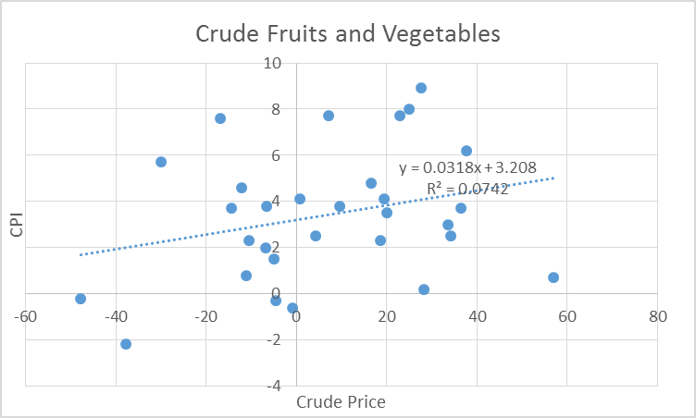
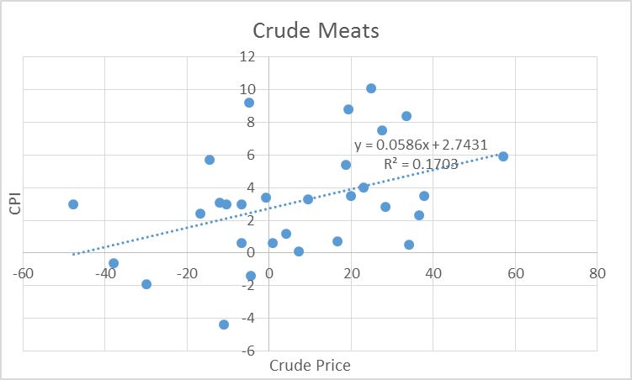

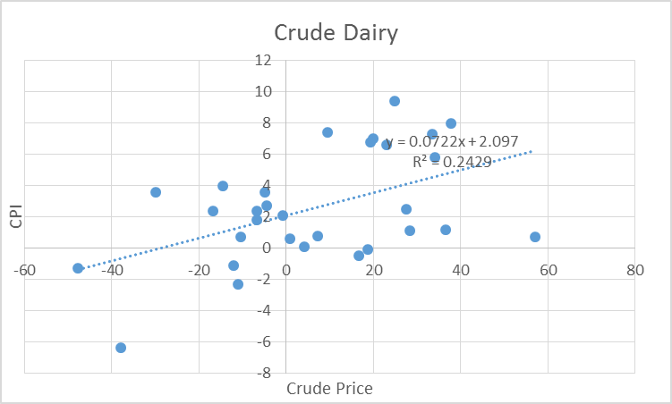
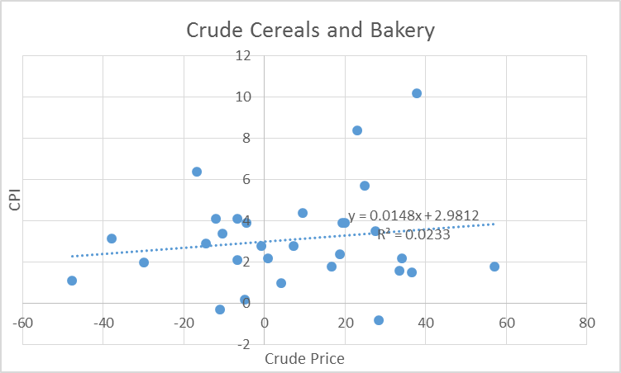

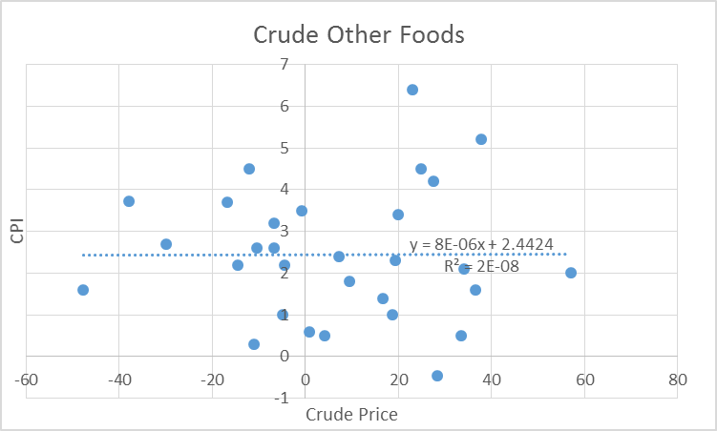
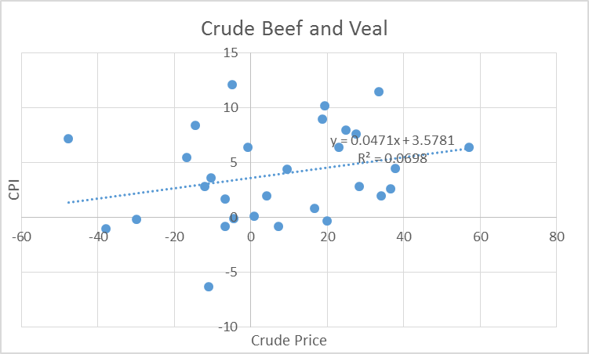

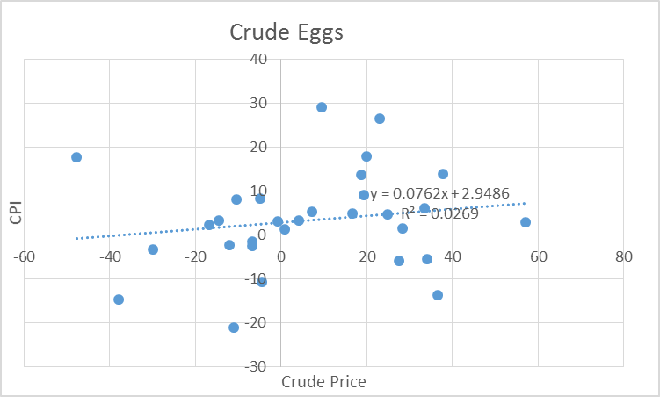
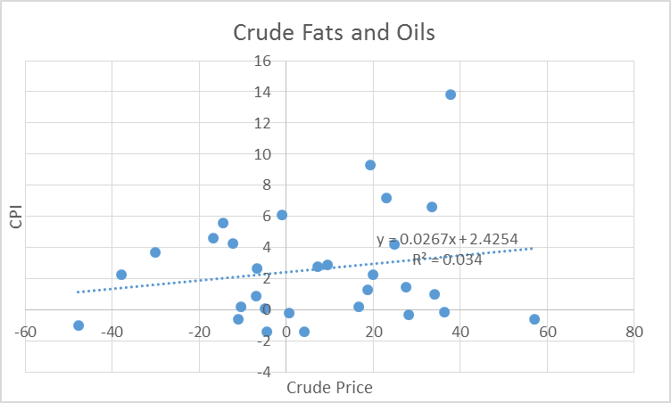

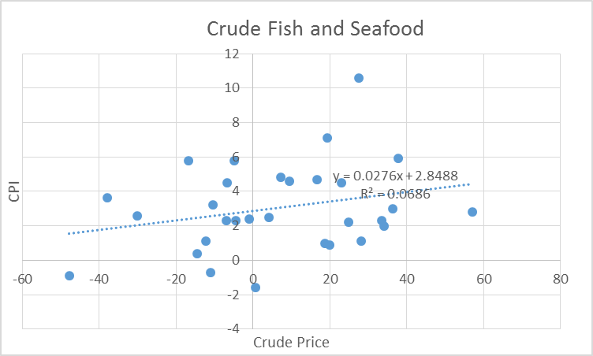
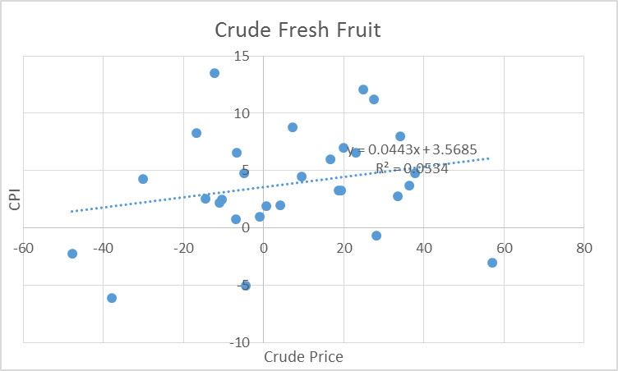

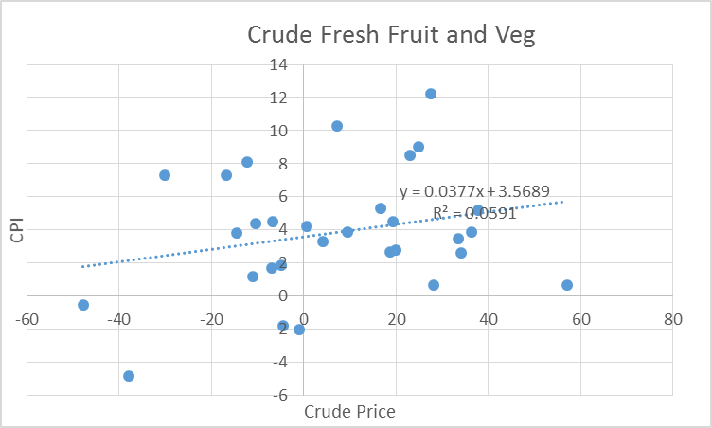
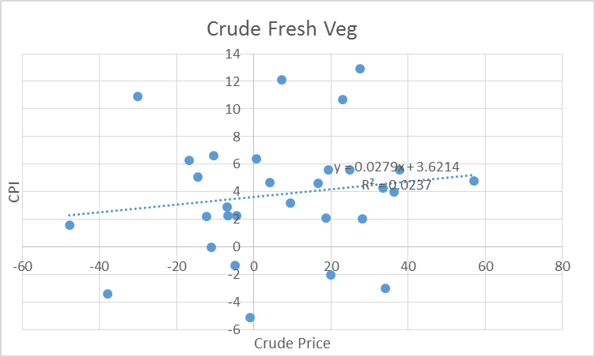

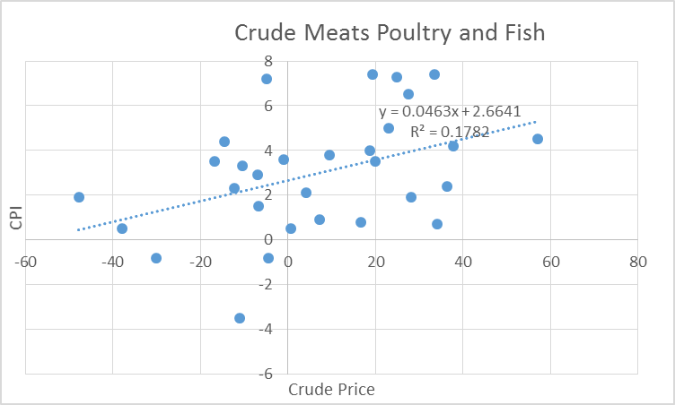
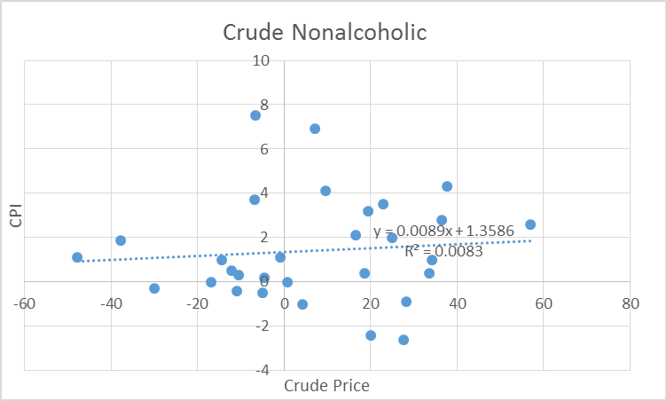

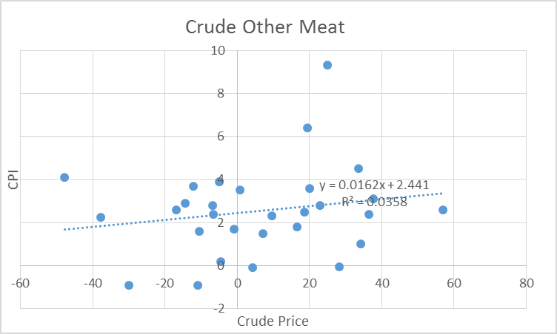
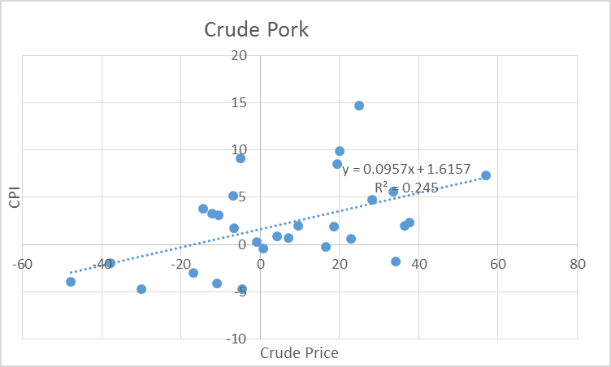

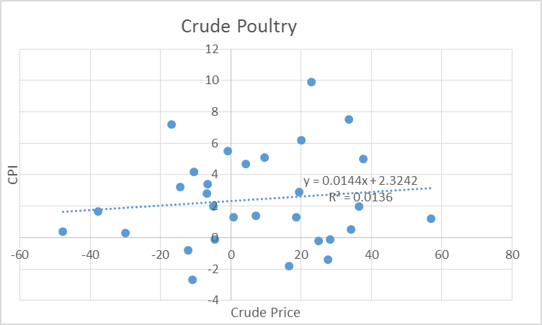
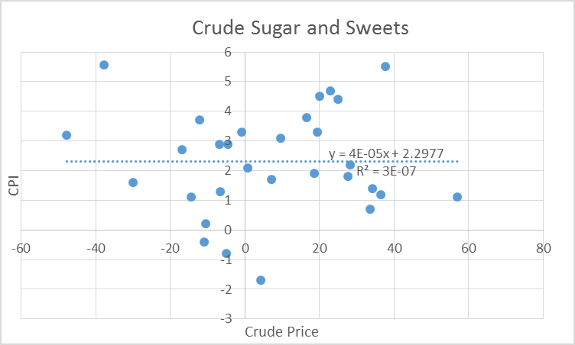

Refined Price Change PPI Plots
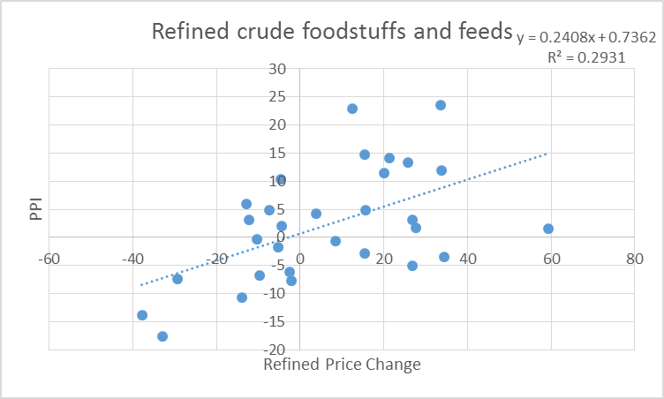
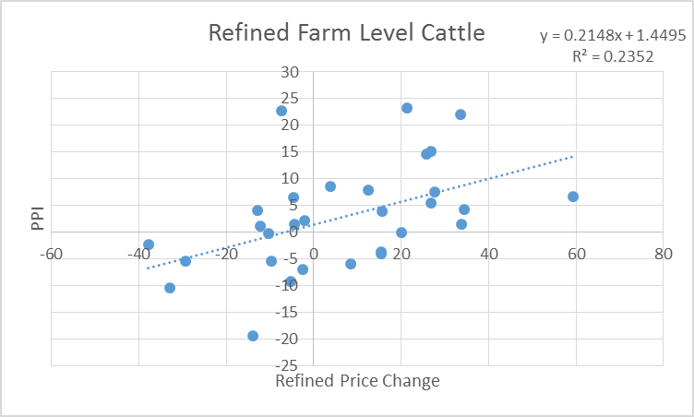

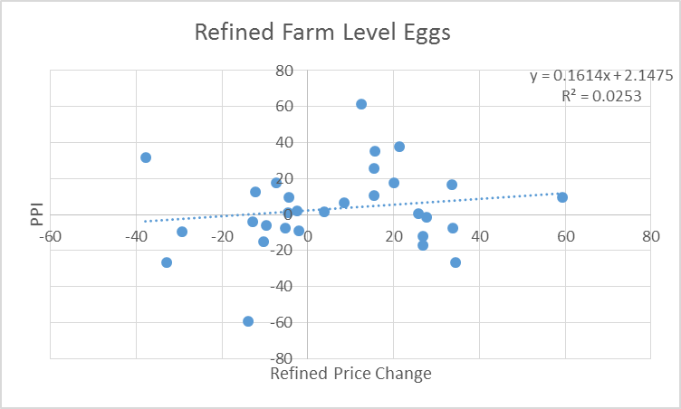
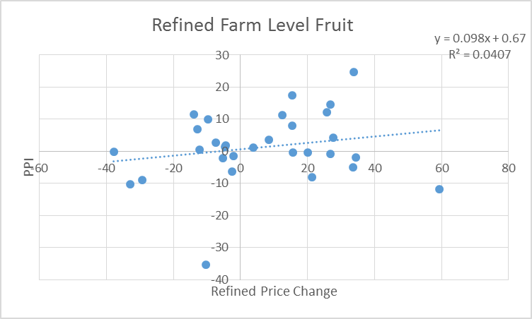

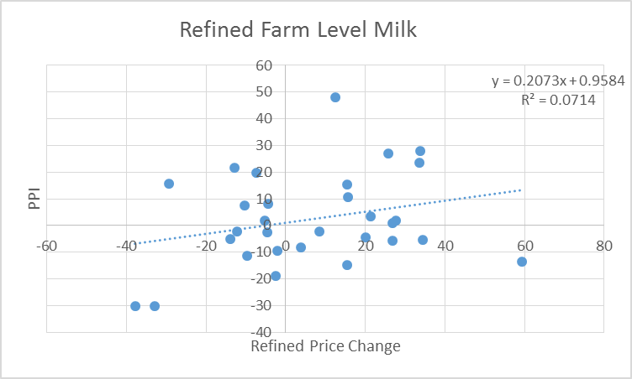
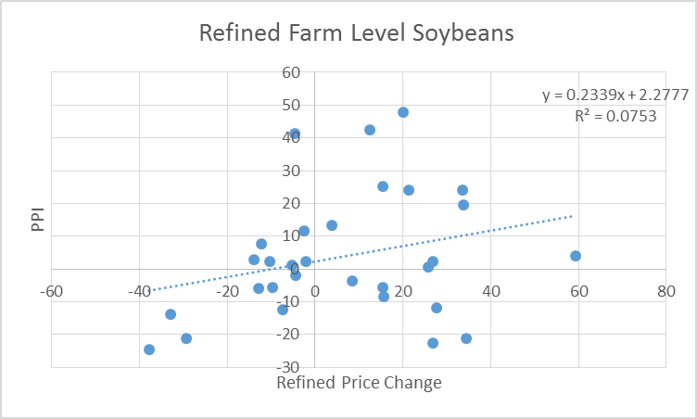

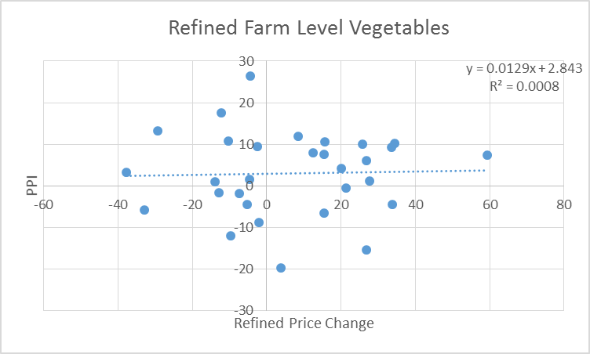
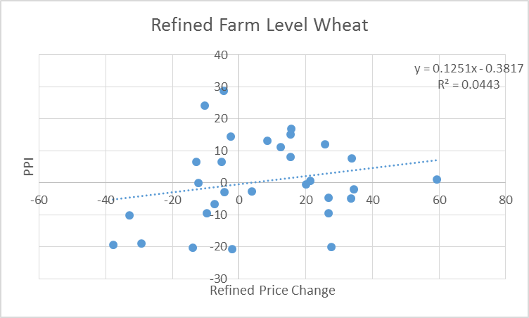

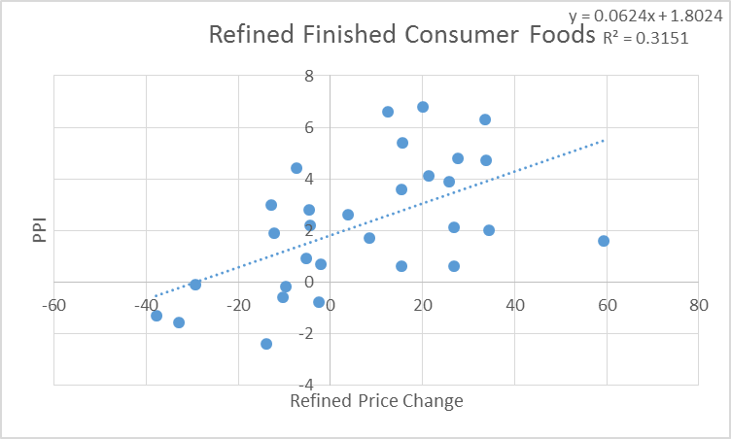
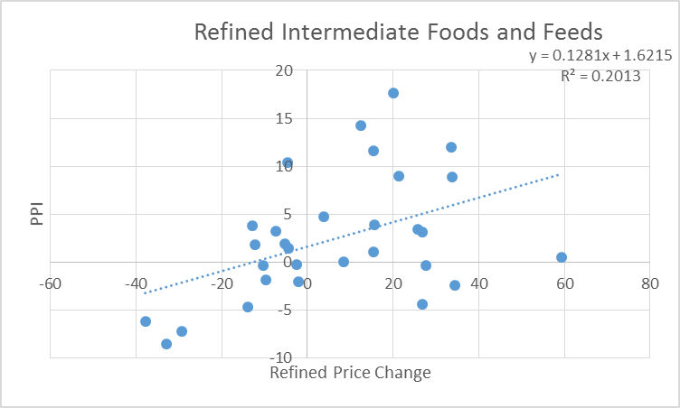

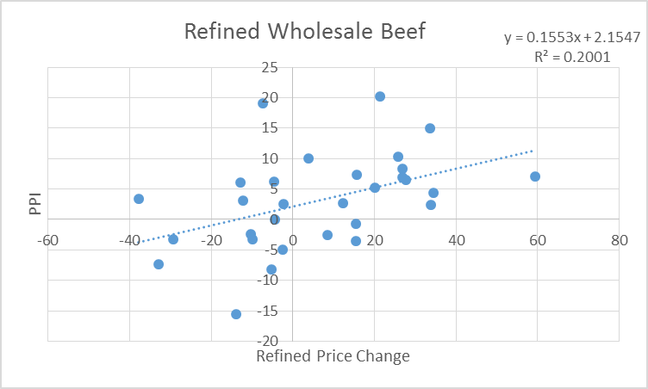
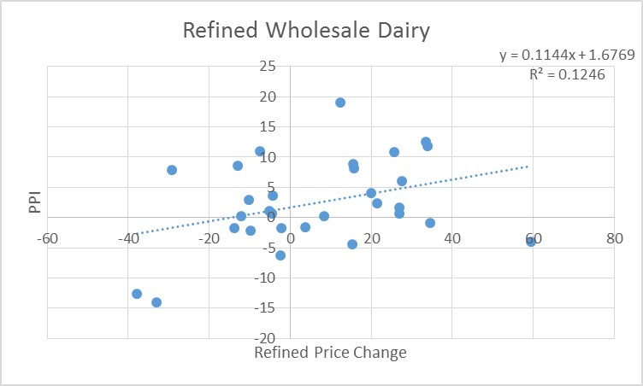

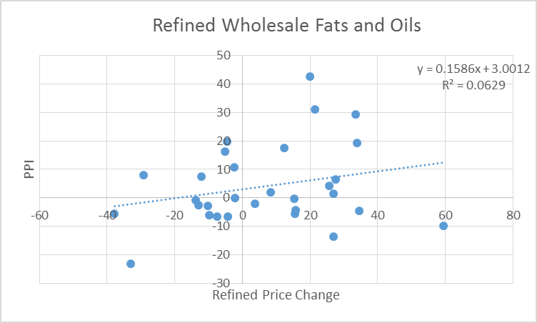
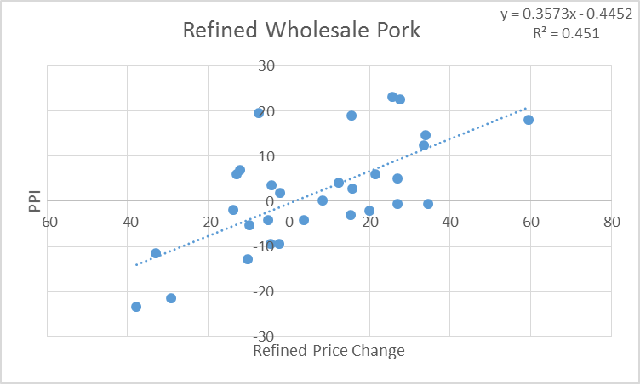

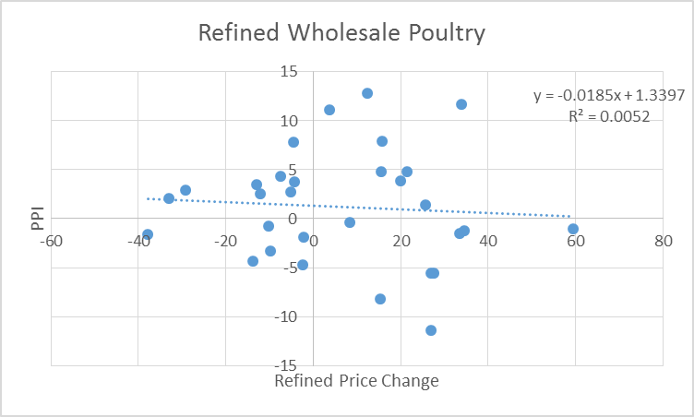
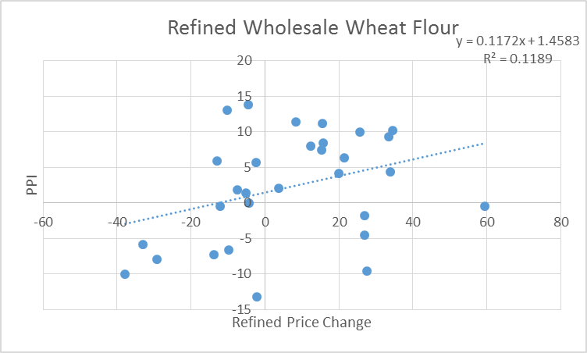

General Trends
